
 |  |  |  | CODE: |  |  | pl1034 aa SN from 98A100
DESCRIPTION: |  | HEAD 95 |  | KOPF 95 | TETE 95 | CABEZA 95 | TESTATA 95:SPAZZOLA
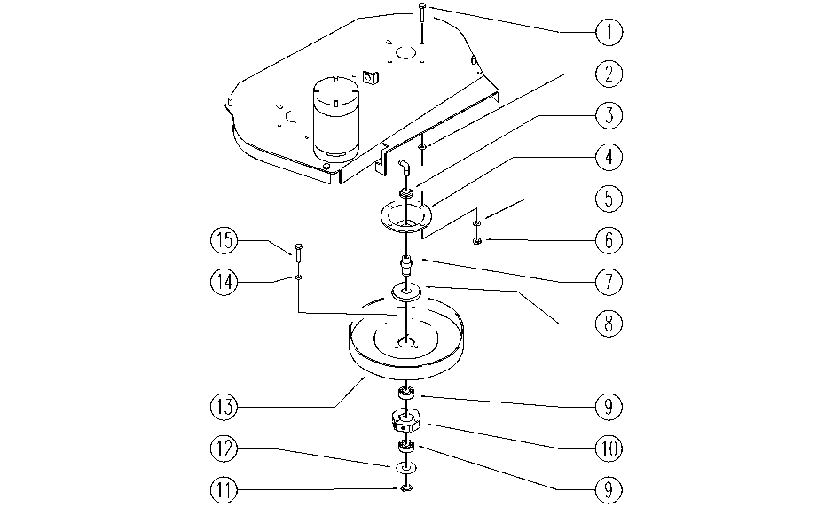

REF. | CODE | DESCRIPTION | QT
1 | E86978 | Screw M8-25 | 8
2 | E88091 | Washer | 8
3 | E86468 | AS20 Nut | 2
4 | E86725 | Flange, WS20 | 2
5 | E86726 | Washer | 8
6 | E86853 | Nyloc Hex Nut, M8 | 8
7 | E86982 | Hexagon Pin - Rhino | 2
8 | E86618 | Upper Protection | 2
9 | E86409 | Bearing, 6005 2RS | 4
10 | E86983 | Hexagon ASM | 2
11 | E86812 | Seegeer | 2
12 | E86617 | Lower Protection | 2
13 | E89396 | Pulley | 2
14 | E86707 | Cham Washer D10 | 6
15 | E86977 | Screw M5-16 | 6

